Sheet1
 | 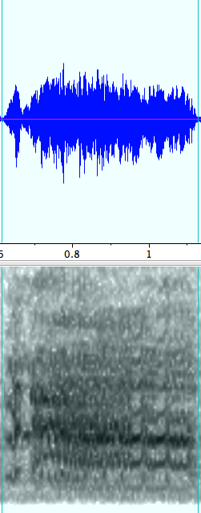 scraw | 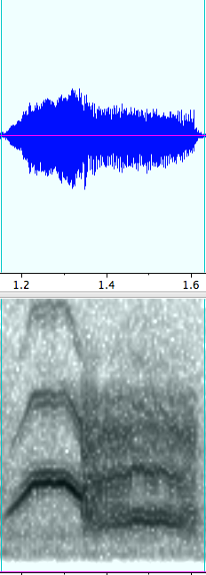 yoohoo |  yee-haw |  trill up...preet |  caw | 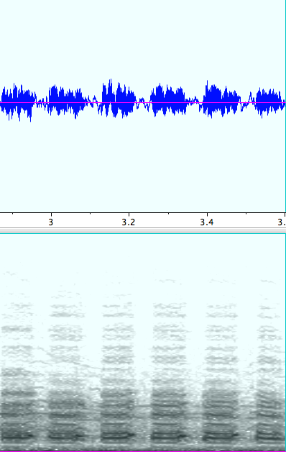 honk
20190215
20190215_d1 | 20190215_d1_n2 | 20190215_d1_n3 | 20190215_d1_n4 | 20190215_d1_n1 | 20190215_d1_n5 | 20190227_d1_n4
20190215_d2
20190215_d3
20190215_d4
20190215_d5
20190215_d6
20190215_d7
20190215_d8
20190215_d10
20190215_d11
20190215_d12
20190215_d15

 | 20190227_d1_n2 |  |  | 20190227_d1_n3 | 20190227_d1_n1

